1. Title Page
[Instacart Grocery Basket Analysis]

Project Name: Instacart Grocery Basket Analysis
Date: June 10, 2023
Analyst Name: Easton Gorman

Contents:
Population Flow
Consistency checks
Wrangling steps
Column derivations
Visualizations
Recommendations

Data Citation:
“The Instacart Online Grocery Shopping Dataset 2017”, Accessed from www.instacart.com/datasets/grocery-shopping-2017 via Kaggle on [10 June 2023].

Note that the customer data, as well as the “prices” column in the products data set, were both fabricated for the purpose of this course.

2. Population Flow
Title page

Population flow

Exclusion flag
Condition: max_order < 5
Obervations to be removed: 1,440,295
Final total count of order_products_all: 30,964,564

Orders_products_combined
Orders_products_merged
Orders_products_all

Total: 32,404,859
Total: 32, 434, 489
Total: 32,404,859

1.) The grey boxes in the first row of the population flow represent the original data sets as they were when you downloaded them. In the Total fields you need to add the count of the rows when you imported the data set into Jupyter.
2.) The second row of boxes (coloured) represents the data sets after you manipulated them, e.g., removed missing values and duplicates. In the Total fields you need to add the count of the rows after conducting these operations. This offers a visual oveview of how the data flows throughout the data consistency checks.
3.) The third row, where also the arrows are coloured, represents the merges you performed between the datasets. In the Total fields you need to add the count of the rows in the merged datasets, so that you end up with the final dataset (in the red box). Keep in mind the final dataset should be without exclusions (based on the exclusion flag).

3. Consistency checks
 |  |  |  | Title page
Consistency checks

Dataset | Missing values | Missing values treatment | Duplicates
orders | 206,209 missing values in 'days_since_last_order' column | No action taken because the null values indicates a new customer that has only placed one order | No duplicates
products | 16 missing values in 'product_name' column | Deleted the rows with missing values | 5 duplicate rows deleted
orders_products_prior | No missing values | No action necessary | No duplicates
customers | No missing values | No action necessary | No duplicates

4. Wrangling steps
 |  |  |  | Title page
Wrangling steps

Columns dropped | Columns renamed | Columns' type changed | Comment/Reason
eval_set' from orders.csv |  |  | Column not necessary for analysis
 | orders_dow' changed to 'orders_day_of_week' |  | For clarity
 |  | order_id' from orders.csv to str | order_id' is a unique identifier not an integer
 |  | user_id' from orders.csv to str | user_id' is a unique identifier not an integer
 | days_since_prior_order changed to 'days_since_last_order' |  | For clarity
first_name' in customer.csv | First name' changed to 'first_name' |  | Column contains PII data
last_name' in customer.csv | surnam' changed to 'last_name' |  | Column contains PII data
 | Gender' changed to 'sex' |  | For uniformity and clarity
 | STATE' changed to 'state' |  | For uniformity
 | n_dependents' changed to '#_dependents' |  | For uniformity and clarity
 | fam_status' changed to 'marital_status' |  | For clarity
 | Age' changed to 'age' |  | For uniformity

5. Column derivations
 |  |  |  |  | Title page

Column derivations and aggregations

In this tab you should add tables below that the frequences of flags/label variables that you produced after deriving them. NB: don't do this for continuous variables, only for flags.
Dataset | New column | Column/s it was derived from | Conditions | Frequency
orders_products_merged | price_range_loc | prices | prices <= 5: Low-range product | 10,126,321
 |  |  | 5 < prices <= 15: Mid-range product | 21,860,860
 |  |  | prices > 15: High-range product | 417,678
 | busiest_day | orders_day_of_week | if 0 (Saturday): Bussiest day | 6,204,182
 |  |  | if 4 (Wednesday): Least busy | 3,783,802
 |  |  | else: Regularly busy | 22,416,875
 | busiest_days | orders_day_of_week | if 0 (Saturday) or 1 (Sunday): Bussiest days | 11,864,412
 |  |  | if 3 (Tuesday) or 4 (Wednesday): Slowest days | 7,624,336
 |  |  | else: Regularly busy | 12,916,111
 | busiest_period_of_day | order_hour_of_day | hours 9 - 16: Most orders | 21,118,071
 |  |  | hours 23 - 6: Fewest orders | 1,289,137
 |  |  | else: Average orders | 9,997,651
 | max_order | order_number | dataframe grouped by 'user_id' and 'order_number' transformed into max of 'order_number' | NA
 | loyalty_flag | max_order | max_order' > 40: Loyal customer | 10,284,093
 |  |  | 10 < 'max_order ' <= 40: Regular customer | 15,876,776
 |  |  | max_order' <= 10: New customer | 6,243,990
 | avg_price | prices | dataframe grouped by 'user_id' and 'prices' transformed into mean of 'prices' | NA
 | spending_flag | avg_price | avg_price' < 10: Low spender | 31,770,614
 |  |  | avg_price' >= 10: High spender | 634,245
 | median_frequency | days_since_last_order | dataframe grouped by 'user_id' and 'days_since_last_order' transformed into median of 'days_since_last_order' | NA
 | order_frequency_flag | median_frequency | median_frequency' > 20: Non-frequent customer | 3,636,437
 |  |  | 10 < 'median_frequency' <= 20: Regular customer | 7,208,564
 |  |  | median_frequency' <= 10: Frequent customer | 21,559,853
orders_products_customers_merged | region | state | Northeast | 5,722,736
 |  |  | Midwest | 7,597,325
 |  |  | South | 10,791,885
 |  |  | West | 8,292,913
 | low_order_flag | max_order | max_order' < 5: Low activity customer | 1,440,295
 |  |  | max_order' >= 5: High activity customer | 30,964,564
 | age_profile | age | age' < 13: Child | NA
 |  |  | 13 <= 'age '<= 17: Adolescent | NA
 |  |  | 17 < 'age' <= 35: Young adult | 9,146,419
 |  |  | 35 < 'age' <= 65: Adult | 15,170,339
 |  |  | 65 < 'age': Elder | 8,088,101
 | income_profile | income | income' < 75000: Low income | 10,442,766
 |  |  | 75000 <= 'income' < 125000: Middle income | 13,331,136
 |  |  | 125000 <= 'Income' < 175000: High income | 8,323,613
 |  |  | 175000 <= 'income': Very high income | 307,344
 | vegan_profile | department_id | if the customer has 0 orders from 'department_id=12 (meat) and 0 orders from Department_ID =16 (dairy/eggs): Vegan | 383,427
 |  |  | else: Non-vegan | 32,021,432
 | pet_profile | department_id | if the customer has 0 orders from 'department_id'=7 (pets): No pet | 28,876,718
 |  |  | else: Pet owner | 3,528,141
 | new_parent_profile | department_id | if the customer has 0 orders from 'department_id'=17 (babies): Non-new parent | 22,431,550
 |  |  | else: New parent | 99,973,309
 | family_profile | marital_status and #_dependents | If married and >= 1 dependants: Married with dependants | 22,756,753
 |  |  | If not married and 0 dependants: Single with no dependants | 8,097,503
 |  |  | If not married and >= 1 dependant: Single with dependants | 1,550,603
 | shopping_profile | age_profile and orders_day_of_week | If Adult and 'orders_day_of_week' <= 1: Adult, weekend shopper (0 and 1 correspond to Saturday and Sunday) | 5,544,745
 |  |  | If Adult and 'orders_day_of_week' > 1: Adult, weekday shopper (2-6 correspond to Monday-Friday) | 9,625,594
 |  |  | If Elder and 'orders_day_of_week' <= 1: Elder, weekend shopper (0 and 1 correspond to Saturday and Sunday) | 2,947,719
 |  |  | If Elder and 'orders_day_of_week' > 1: Elder, weekday shopper (2-6 correspond to Monday-Friday) | 5,140,382
 |  |  | If Young adult and 'orders_day_of_week' <= 1: Young adult, weekend shopper (0 and 1 correspond to Saturday and Sunday) | 3,371,948
 |  |  | If Young adult and 'orders_day_of_week' < 1: Young adult, weekday shopper (2-6 correspond to Monday-Friday) | 5,774,471
 | family_shopping_profile | family_profile and orders_day_of_week | If Married with dependants and 'orders_day_of_week' <= 1: Married with dependents, weekday shopper | 14,434,034
 |  |  | If Married with dependants and 'orders_day_of_week' > 1: Married with dependents, weekend shopper | 8,322,719
 |  |  | If Single with no dependants and 'orders_day_of_week' <= 1: Single with no dependents, weekday shopper | 5,122,427
 |  |  | If Single with no dependants and 'orders_day_of_week' > 1: Single with no dependentss, weekend shopper | 2,975,076
 |  |  | If Single with dependants and 'orders_day_of_week' <= 1: Single, with dependants, weekday shopper | 983,986
 |  |  | If Single with dependants and 'orders_day_of_week' > 1: Single with dependents, weekend shopper | 566,617
 | hourly_shopping_profile | order_hour_of_day and age profile | Adult, morning shopper: age_profile = Adult and parts_of_day = Morning | 5,336,730
 |  |  | Adult, afternoon shopper: 'age_profile' = Adult and 'parts_of_day' = Afternoon | 7,156,836
 |  |  | Adult, night shopper: 'age_profile' = Adult and 'parts_of_day '= Night | 2,676,773
 |  |  | Elder, morning shopper: 'age_profile' = Adult and 'parts_of_day' = Morning | 2,863,057
 |  |  | Elder, afternoon shopper: 'age_profile' = Adult and 'parts_of_day' = Afternoon | 3,796,000
 |  |  | Elder, night shopper: 'age_profile' = Adult and 'parts_of_day' = Night | 1,429,044
 |  |  | Young Adult, morning shopper: 'age_profile' = Young Adult and 'parts_of_day' = Morning | 3,248,309
 |  |  | Young Adult, afternoon shopper: 'age_profile' = Young Adult and 'parts_of_day' = Afternoon | 4,300,786
 |  |  | Young Adult, night shopper: 'age_profile' = Young Adult and 'parts_of_day' = Night | 1,597,324

6. Visualizations
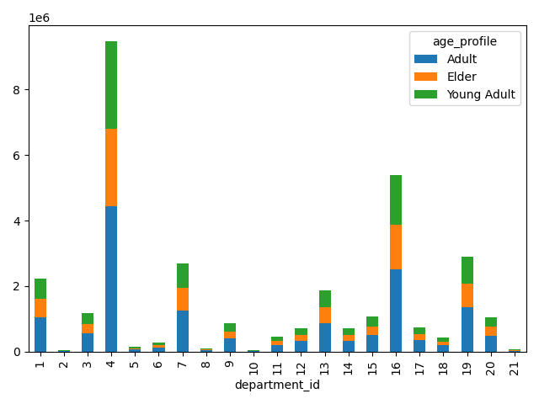
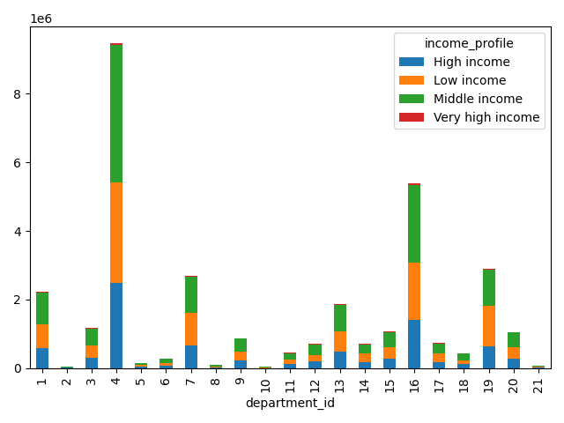
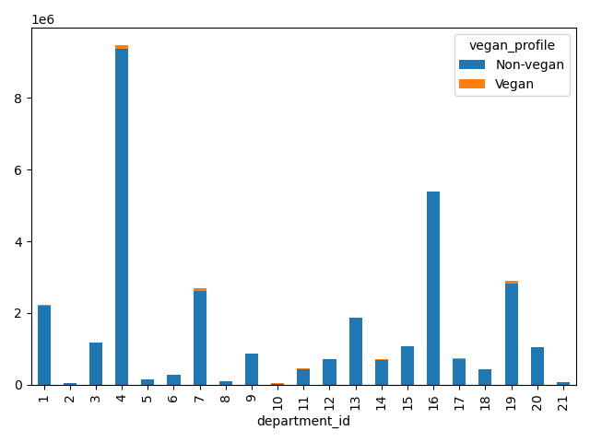
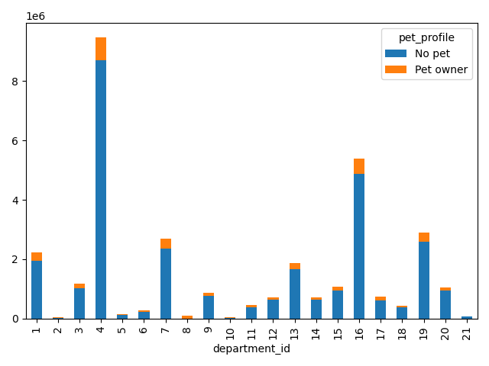
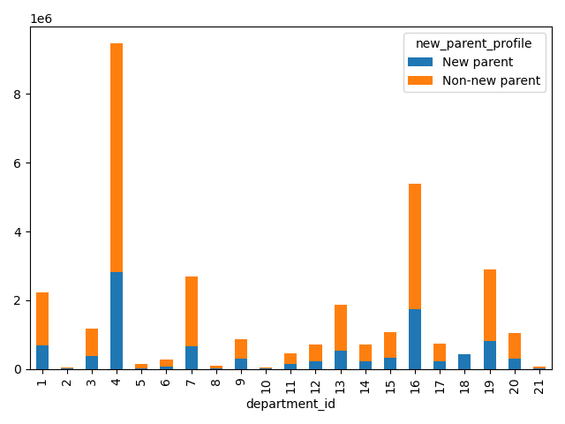
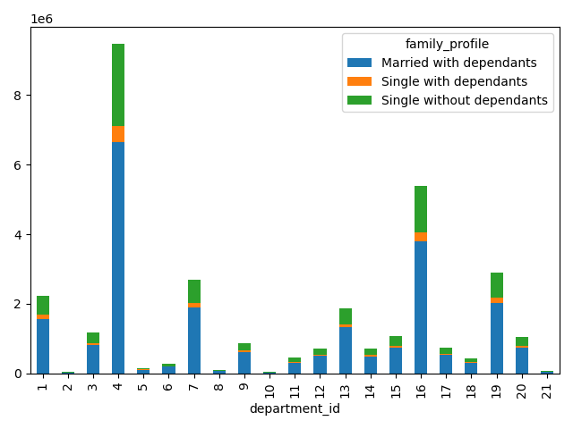
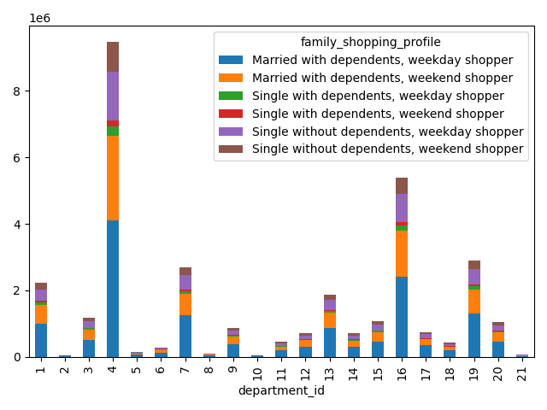
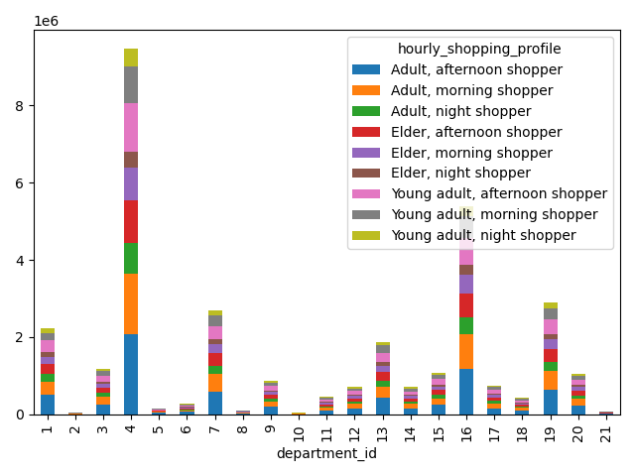
 |  |  | Title page

Visualisations

In this tab you should include all the visualtions from Exercises 4.9 and 4.10, alongside the questions from the project brief that they answer. Include any commentary on the relationship between different variables.

Key Questions:

1. The sales team needs to know what the busiest days of the week and hours of the day are (i.e., the days and times with the most orders) in order to schedule ads at times when there are fewer orders.
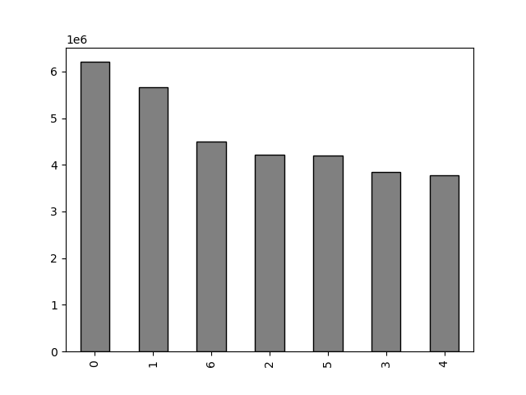

 | This bar chart shows the number of orders (y-axis) by the day of the week (x-axis).

 | The days correspond to the numbers as follows:
 | 0 - Saturday
 | 1 - Sunday
 | 2 - Monday
 | 3 - Tuesday
 | 4 - Wednesday
 | 5 - Thursday
 | 6 - Friday

 | The weekend has the most orders than any day during the week with Saturday having the most orders overall.
 | Wednesday has the least orders.

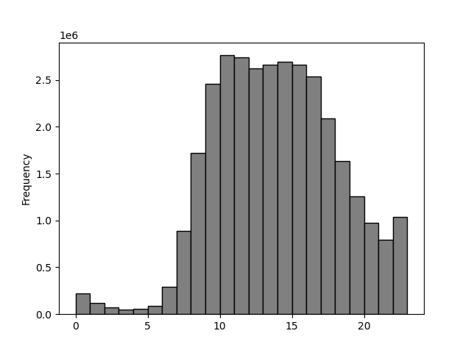

 | This histogram shows the frequency of orders (y-axis) by the hour of the day (x-axis).
 | Note: Time is represented as army time (0-23).

 | Orders begin to become more frequent starting at 9 am, increase steadily, reach peak order time at 11 am, stays relatively constant until 4 pm, then decrease from 5 pm to 4 am.

2. They also want to know whether there are particular times of the day when people spend the most money, as this might inform the type of products they advertise at these times.
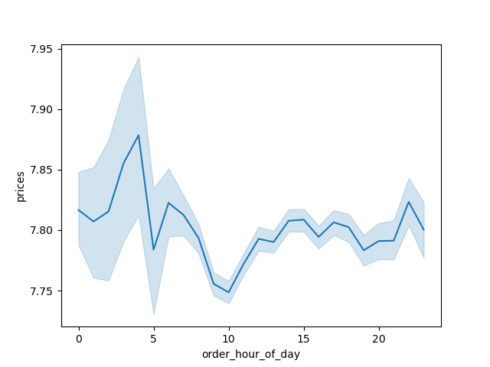

 | This line chart shows the price of items (y-axis) of items ordered by customers by the hour of the day (x-axis).
 | Note: This is a representative sample (30%) of the entire population of the dataset.
 | Note: Time is represented as army time (0-23).

 | We can see that there is a peak of more expensive items bought around 4 am and a valley of expensive items bought at 10 am.
 | Throughout the rest of the day, despite a few small peaks and valleys, customers spend roughly the same amount of money.

3. Instacart has a lot of products with different price tags. Marketing and sales want to use simpler price range groupings to help direct their efforts.
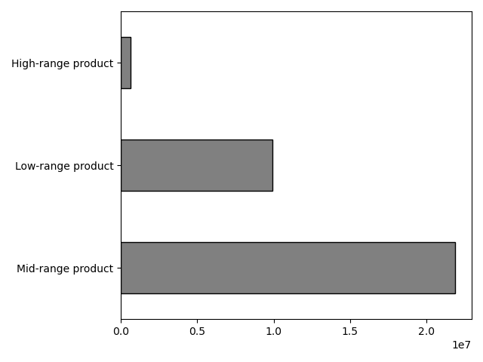

 | This bar chart shows price range groupings (y-axis) by the number of items ordered (x-axis).

 | The price ranges are as follows:
 | prices <= 5: Low-range product
 | 5 < prices <= 15: Mid-range product
 | prices > 15: High-range product

 | The majority of items in all departments are mid-range products.

 | Note: This bar chart was made from a subset of the data and not the entire dataset.

4. Are there certain types of products that are more popular than others? The marketing and sales teams want to know which departments have the highest frequency of product orders.

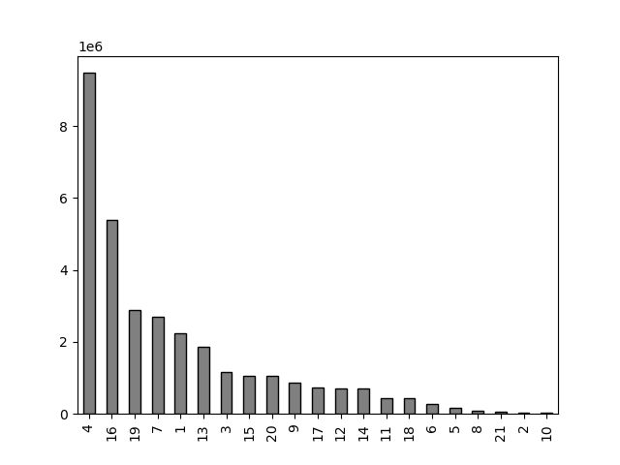
 | This bar chart shows the amount of items sold (y-axis) by the department_id (x-axis)

 | The department id's correspond to the following:
 | 1 - frozen | 11 - personal care
 | 2 - other | 12 - meat/seafood
 | 3 - bakery | 13 - pantry
 | 4 - produce | 14 - breakfast
 | 5 - alcohol | 15 - canned goods
 | 6 - international | 16 - dairy/eggs
 | 7 - beverages | 17 - household
 | 8 - pets | 18 - babies
 | 9 - dry goods | 19 - snacks
 | 10 - bulk | 20 - deli
 |  | 21 - missing

 | The most popular product is produce which sells almost twice as much as the next most popular department, dairy/eggs.
 | The least popular department are bulk and other.

5.1 What’s the distribution among users in regards to their brand loyalty (i.e., how often do they return to Instacart)?
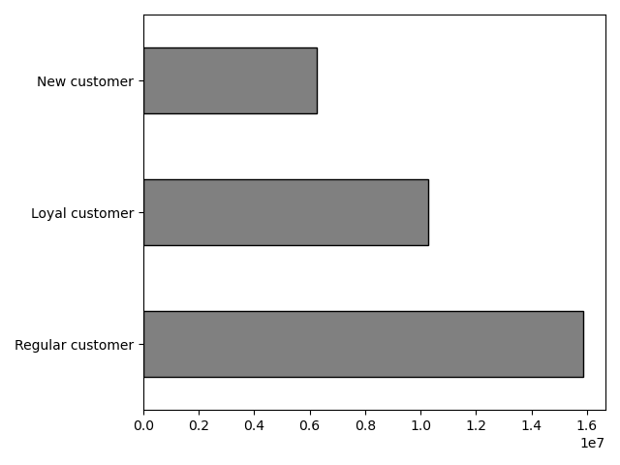

 | This bar chart shows customers placed into three groups, the breakdown is as follows:

 | New customer - placed 10 or fewer orders
 | Regular customer - placed between 10 and 40 orders
 | Loyal customer - placed over 40 orders

 | Regular customers make up the majority of Instacarts customer base while new customers make up the least of the customer base.

5.2 Are there differences in ordering habits based on a customer’s loyalty status?
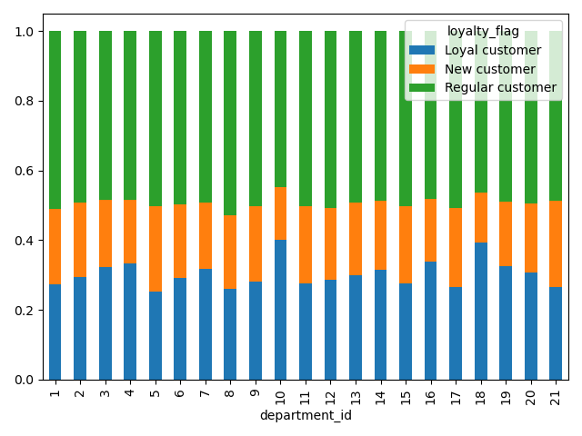

 | This stacked bar chart shows a percentage of total orders from each department by each of the three loyalty groups.

 | Regular customers order relatively the same from each department.
 | Loyal customers order more products from bulk (10) and babies (18) departments.
 | New customers also order relatively the same from each department except for alcohol (1).

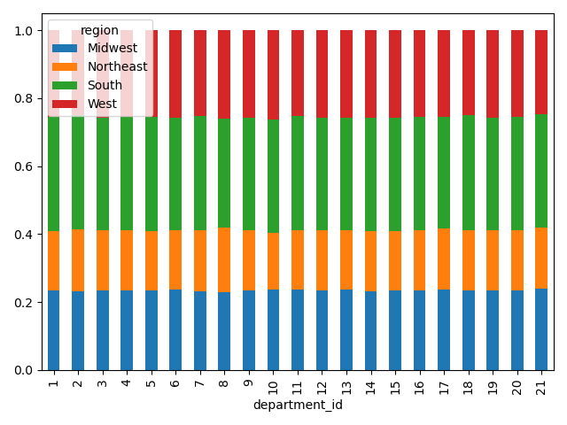
5.3 Are there differences in ordering habits based on a customer’s region?
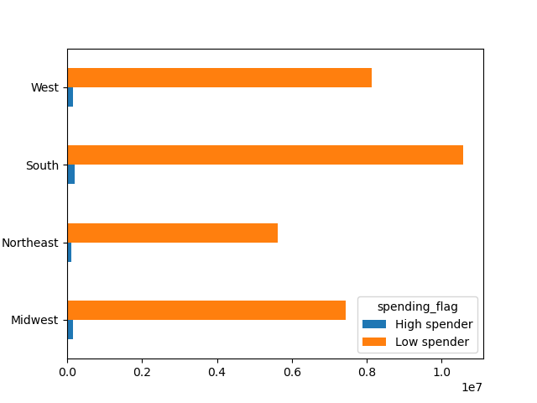
 |  |  |  | This stacked bar chart shows the proportion of products sold from each department across the 4 regions.

 | This bar chart shows breakdown of high and low spenders in each of the 4 regions. |  |  | The distribution of sales for each department is relatively the same across the 4 regions.
 | The proportion of high spenders is very minimal when compared to low spenders.
 |  |  |  | The South orders the most amount of products while the Northeast orders the least.

5.4 Is there a connection between age and family status in terms of ordering habits?



 | This line chart shows number of dependents (y-axis) a customer has by their age (x-axis). |  |  |  |  | This scatter plot shows the relationship between a customers age and their yearly income.

 | There is no discernable trend as the number of dependents has large peaks and valleys across ages of customers. |  |  |  |  | The majority of customers have an income of $200,000 or less no matter their age.

 |  |  |  |  |  | Customers that are 40 and over are more densley packed in the $200,000 to $ 300,000 range and are the only ones that surpass $400,000.

 |  |  |  |  |  | A trend emerges that the higher the age, the higher the income.

5.5 What different classifications does the demographic information suggest? Age? Income? Certain types of goods? Family status?
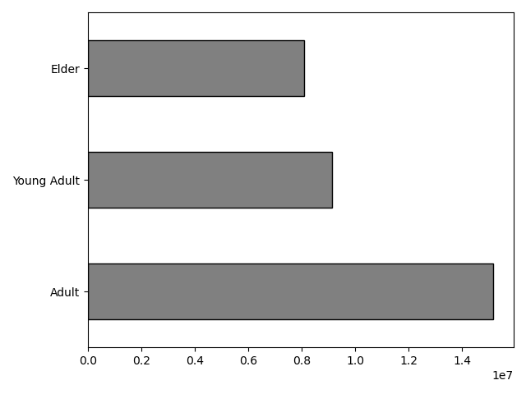
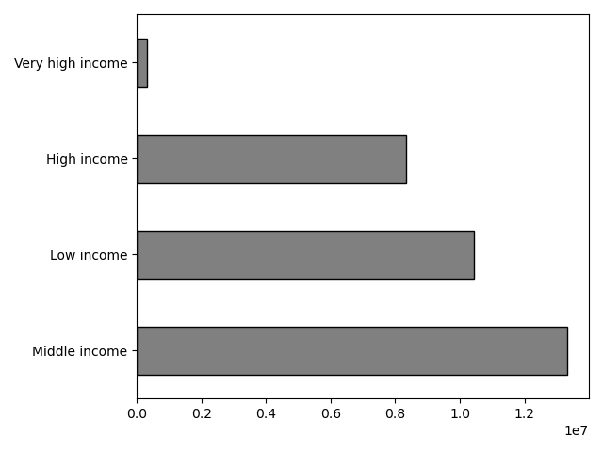
 | This bar chart shows the three age groups of customers.
 |  |  |  |  | This bar chart shows the frequency of different incomes amongst all customers.
 | Adults make up the most amount of customers while elders make up the least amount of customers.
 |  |  |  |  | Most customers have a middle income while customers with a very high income only make up a small percentage of all customers.

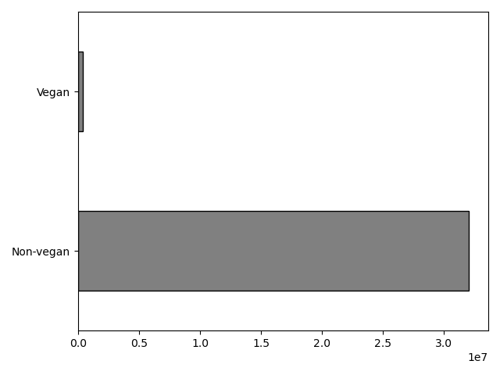
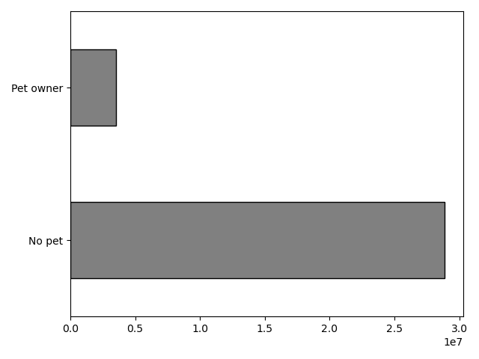
 | This bar chart shows the frequency of vegan and non-vegan customers.
 |  |  |  |  | This bar chart shows the frequency of customers with pets and those without a pet.
 | The majority of customers are non-vegan.
 |  |  |  |  | The majority of customers don't own a pet.

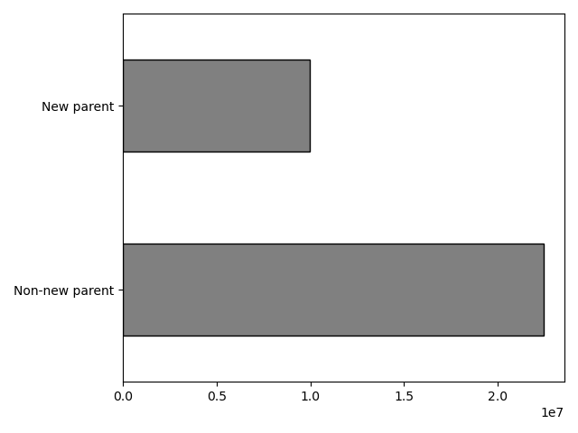
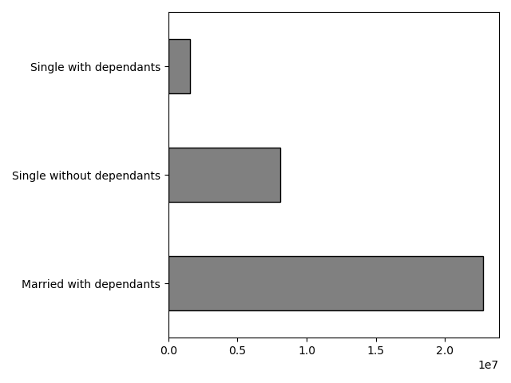

 | This bar chart shows the frequency of customers that are new parents and customers that either have older or no children.
 |  |  |  |  |  | This bar chart shows the frequency of different family status amongst customers.
 | The majority of custumers either have older or no children.
 |  |  |  |  |  | The majority of customers are married with dependents.

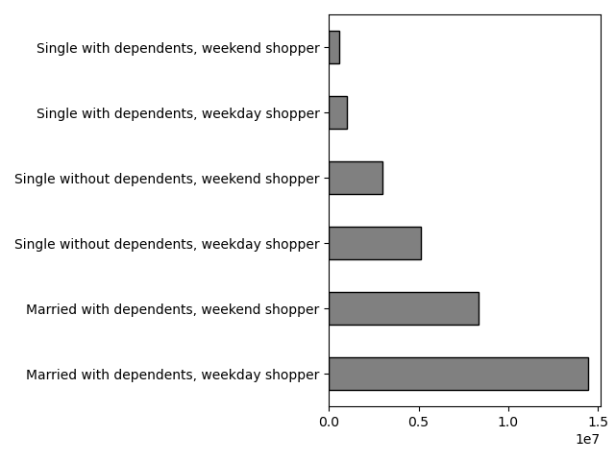
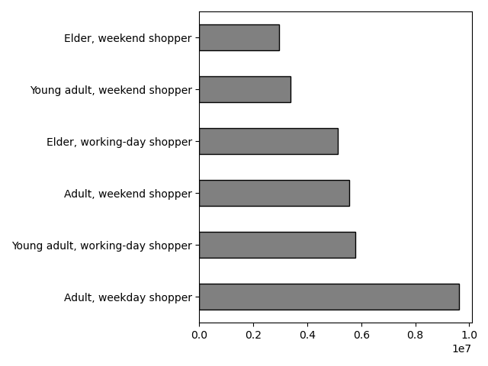

 | This bar chart shows the shopping tendencies of family status on weekends and weekdays.
 |  |  |  |  |  | This bar chart shows the sopping tendencies of age on weekends and weekdays.
 | The majority of customers are married with dependents and shop on weekdays.
 |  |  |  |  |  | The majority of customers are adults that shop on weekdays.

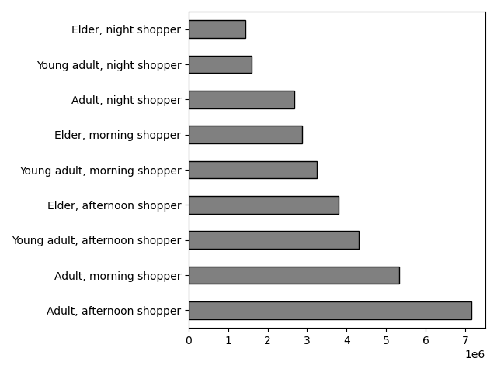

 | This bar chart shows the shopping tendencies by age and time of day orders were placed.

 | The majority of customers are adults that shop in the afternoon.

5.6 What differences can you find in ordering habits of different customer profiles?

The following visualizations show the different customer profiles for the 4 regions. There is no discernable trend in orders across the 4 regions.
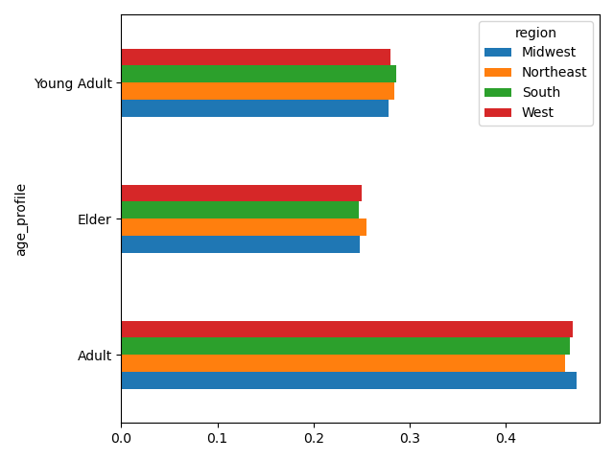
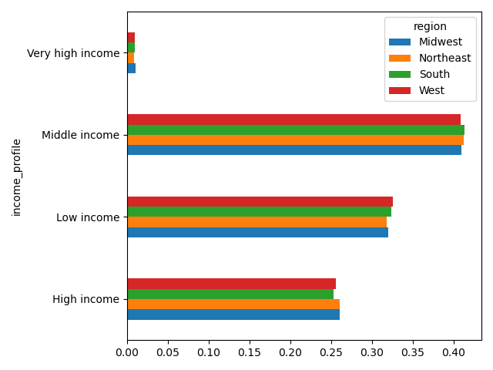
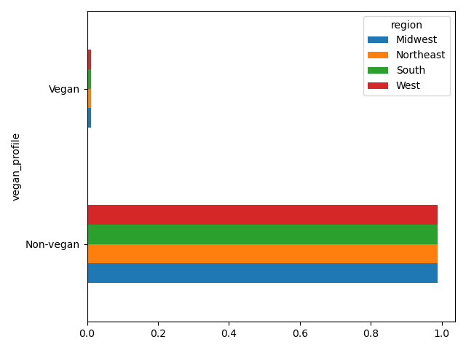
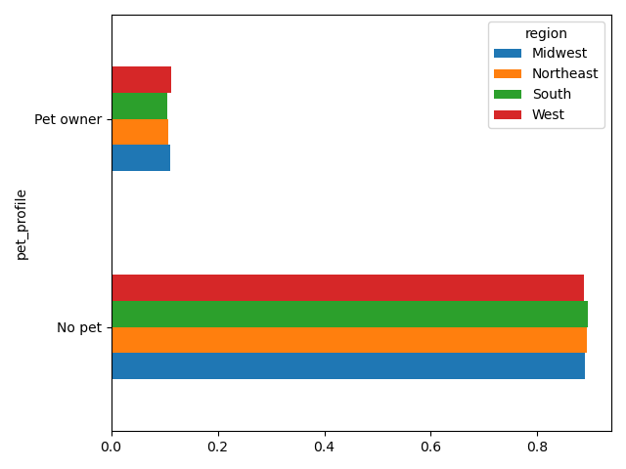

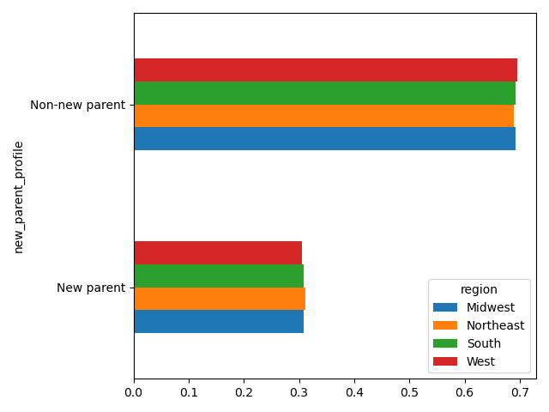
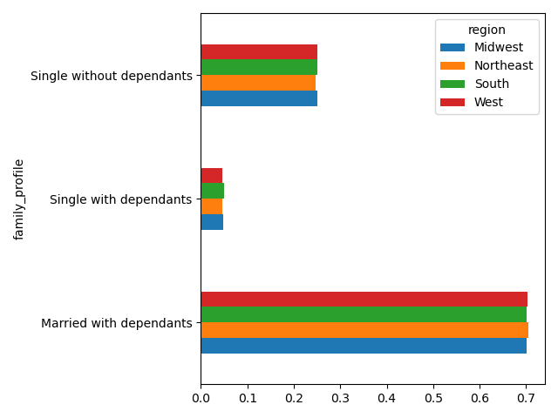
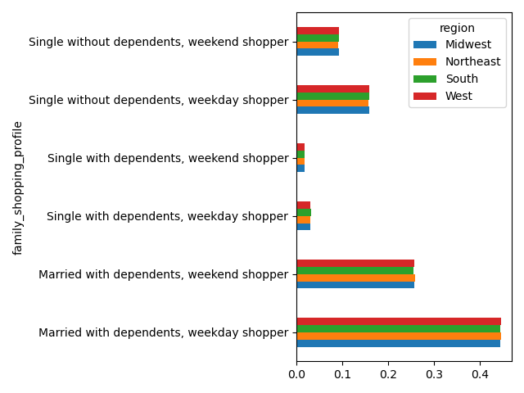
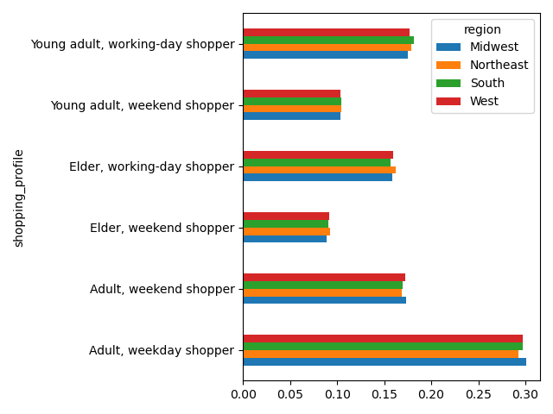
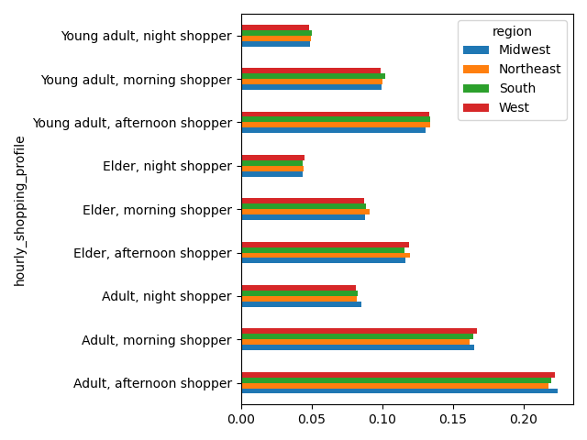

The following visualizations show the different customer profiles across all departments. There is no discernable trend in orders across all departments as most orders are for frozen (1), produce (4), dairy/eggs (16), and snacks (19).

7. Recommendations
 |  |  |  | Title page

Recommendations

In this tab you should include any recommendations you would made to Instcart in terms of their marketing strategy based on the questions posed in the brief. Every key question has been covered in the Tasks of the Exercises - here you need to add an item - a visualisation or table/crosstable that is showing the answer in the data, acompanied by a comment from you. Please, list the questions below and add the answer underneath.

Key Questions:

1. The sales team needs to know what the busiest days of the week and hours of the day are (i.e., the days and times with the most orders) in order to schedule ads at times when there are fewer orders.

 |  | This bar chart shows the number of orders (y-axis) by the day of the week (x-axis).

 |  | The days correspond to the numbers as follows:
 |  | 0 - Saturday
 |  | 1 - Sunday
 |  | 2 - Monday
 |  | 3 - Tuesday
 |  | 4 - Wednesday
 |  | 5 - Thursday
 |  | 6 - Friday

 |  | The weekend has the most orders than any day during the week with Saturday having the most orders overall.
 |  | Wednesday has the least orders.

 |  | This histogram shows the frequency of orders (y-axis) by the hour of the day (x-axis).
 |  | Note: Time is represented as army time (0-23).

 |  | Orders begin to become more frequent starting at 9 am, increase steadily, reach peak order time at 11 am, stays relatively constant until 4 pm, then decrease from 5 pm to 4 am.

 |  | 1. Recommendation: Instacart's busiest days are Saturday and Sunday and their busiest hours are from 9 am to 4 pm, so they should offer incentives like daily/hourly deals.

2. They also want to know whether there are particular times of the day when people spend the most money, as this might inform the type of products they advertise at these times.

 |  | This line chart shows the price of items (y-axis) of items ordered by customers by the hour of the day (x-axis).
 |  | Note: This is a representative sample (30%) of the entire population of the dataset.
 |  | Note: Time is represented as army time (0-23).

 |  | We can see that there is a peak of more expensive items bought around 4 am and a valley of expensive items bought at 10 am.
 |  | Throughout the rest of the day, despite a few small peaks and valleys, customers spend roughly the same amount of money.

 |  | 2. Recommendation: Instacart should advertise more expensive items starting at 10 am to boost sales throughout the day.

3. Instacart has a lot of products with different price tags. Marketing and sales want to use simpler price range groupings to help direct their efforts.

 |  | This bar chart shows price range groupings (y-axis) by the number of items ordered (x-axis).

 |  | The price ranges are as follows:
 |  | prices <= 5: Low-range product
 |  | 5 < prices <= 15: Mid-range product
 |  | prices > 15: High-range product

 |  | The majority of items in all departments are mid-range products.

 |  | Note: This bar chart was made from a subset of the data and not the entire dataset.

 |  | 3. Recommendation: Instacart should advertise product ranges to certain customer profiles (e.g. high-range product to very high income).

4. Are there certain types of products that are more popular than others? The marketing and sales teams want to know which departments have the highest frequency of product orders.

 |  | This bar chart shows the amount of items sold (y-axis) by the department_id (x-axis)

 |  | The department id's correspond to the following:
 |  | 1 - frozen | 11 - personal care
 |  | 2 - other | 12 - meat/seafood
 |  | 3 - bakery | 13 - pantry
 |  | 4 - produce | 14 - breakfast
 |  | 5 - alcohol | 15 - canned goods
 |  | 6 - international | 16 - dairy/eggs
 |  | 7 - beverages | 17 - household
 |  | 8 - pets | 18 - babies
 |  | 9 - dry goods | 19 - snacks
 |  | 10 - bulk | 20 - deli
 |  |  | 21 - missing

 |  | The most popular product is produce which sells almost twice as much as the next most popular department, dairy/eggs.
 |  | The least popular department are bulk and other.

 |  | 4. Recommendation: Instacart should either continue to advertise their best selling department, produce (4), or spend less money on advertising produce (4) and dairy/eggs (16) and allocate that money to advertise more heavily into every other department.

5.1 What’s the distribution among users in regards to their brand loyalty (i.e., how often do they return to Instacart)?

 |  | This bar chart shows customers placed into three groups, the breakdown is as follows:

 |  | New customer - placed 10 or fewer orders
 |  | Regular customer - placed between 10 and 40 orders
 |  | Loyal customer - placed over 40 orders

 |  | Regular customers make up the majority of Instacarts customer base while new customers make up the least of the customer base.

 |  | 5.1 Recommendation: Instacart should implement a loyalty program for amount of orders placed, and they should implement a rewards/point system based on money spent. This can include cash back, special deals/discounts for a certain amount of money spent, and free shipping on every 10th order of a certain number of items.

5.2 Are there differences in ordering habits based on a customer’s loyalty status?

 |  | This stacked bar chart shows a percentage of total orders from each department by each of the three loyalty groups.

 |  | Regular customers order relatively the same from each department.
 |  | Loyal customers order more products from bulk (10) and babies (18) departments.
 |  | New customers also order relatively the same from each department except for alcohol (1).

 |  | 5.2 Recommendation: Since there is not much variance in ordering habits based on a customer's loyalty status, I recommend the same as "5.1 Reccomendation."

5.3 Are there differences in ordering habits based on a customer’s region?

 |  |  |  |  |  | This stacked bar chart shows the proportion of products sold from each department across the 4 regions.

 |  | This bar chart shows breakdown of high and low spenders in each of the 4 regions. |  |  |  | The distribution of sales for each department is relatively the same across the 4 regions.
 |  | The proportion of high spenders is very minimal when compared to low spenders.
 |  |  |  |  |  | The South orders the most amount of products while the Northeast orders the least.
 |  | 5.3 Recommendation: There is no discernable connection between customer's ordering habits and region. I recommend that Instacart not focus on region but instead to customer profiles.

5.4 Is there a connection between age and family status in terms of ordering habits?

 |  | This line chart shows number of dependents (y-axis) a customer has by their age (x-axis). |  |  |  |  |  | This scatter plot shows the relationship between a customers age and their yearly income.

 |  | There is no discernable trend as the number of dependents has large peaks and valleys across ages of customers. |  |  |  |  |  | The majority of customers have an income of $200,000 or less no matter their age.

 |  |  |  |  |  |  |  | Customers that are 40 and over are more densley packed in the $200,000 to $ 300,000 range and are the only ones that surpass $400,000.
 |  | 5.4 Recommendation: A customer's income generally increases at 40 or over, so Instacart should create targeted ads of high-range products for this demographic.
 |  |  |  |  |  |  |  | A trend emerges that the higher the age, the higher the income.

5.5 What different classifications does the demographic information suggest? Age? Income? Certain types of goods? Family status?

 |  | This bar chart shows the three age groups of customers.
 |  |  |  |  |  |  | This bar chart shows the frequency of different incomes amongst all customers.
 |  | Adults make up the most amount of customers while elders make up the least amount of customers.
 |  |  |  |  |  |  | Most customers have a middle income while customers with a very high income only make up a small percentage of all customers.

 |  | This bar chart shows the frequency of vegan and non-vegan customers.
 |  |  |  |  |  |  | This bar chart shows the frequency of customers with pets and those without a pet.
 |  | The majority of customers are non-vegan.
 |  |  |  |  |  |  | The majority of customers don't own a pet.

 |  | This bar chart shows the frequency of customers that are new parents and customers that either have older or no children.
 |  |  |  |  |  |  |  | This bar chart shows the frequency of different family status amongst customers.
 |  | The majority of custumers either have older or no children.
 |  |  |  |  |  |  |  | The majority of customers are married with dependents.

 |  | This bar chart shows the shopping tendencies of family status on weekends and weekdays.
 |  |  |  |  |  |  |  | This bar chart shows the sopping tendencies of age on weekends and weekdays.
 |  | The majority of customers are married with dependents and shop on weekdays.
 |  |  |  |  |  |  |  | The majority of customers are adults that shop on weekdays.

 |  | This bar chart shows the shopping tendencies by age and time of day orders were placed. |  |  | 5.5 Recommendation: Since there's no discernable patterns of orders placed across regions, Instacart should either not focus on this aspect or conduct surveys of regions/states to get feedback about customer preferences.

 |  | The majority of customers are adults that shop in the afternoon.

5.6 What differences can you find in ordering habits of different customer profiles?

The following visualizations show the different customer profiles for the 4 regions. There is no discernable trend in orders across the 4 regions.

The following visualizations show the different customer profiles across all departments. There is no discernable trend in orders across all departments as most orders are for frozen (1), produce (4), dairy/eggs (16), and snacks (19).

 | 5.6 Recommendation: Instacart should use customer profiles to track spending patterns and use targeted ads. For example, new parents should receive more ads for baby items, vegans should have more departments to shop from, and, based on a customer's income, they should recieve ads for more/less expensive items.

